Kids Eat Free Data Columns
Kids eat Free 2025 (Saturday) 5-9 PM
Saturdays 5-9 PM 2024
Kids eat Free (Saturday) 5-9 PM |  | Saturdays 5-9 PM 2024
2025-01-04 | $517.50 | 2024-01-06 | $362.00
2025-01-11 | $621.00 | 2024-01-13 | $488.50
2025-01-18 | $571.50 | 2024-01-20 | $564.50
2025-01-25 | $583.50 | 2024-01-27 | $565.50
2025-02-01 | $616.50 | 2024-02-03 | $621.50
2025-02-08 | $466.00 | 2024-02-10 | $516.50
2025-02-15 | $926.00 | 2024-02-17 | $1,247.00
2025-02-22 | $912.00 | 2024-02-24 | $549.00
2025-03-01 | $805.50 | 2024-03-02 | $923.50
2025-03-08 | $783.00 | 2024-03-09 | $743.50
2025-03-15 | $1,286.00 | 2024-03-16 | $761.00
2025-03-22 | $1,690.50 | 2024-03-23 | $1,183.50
2025-03-29 | $1,146.00 | 2024-03-30 | $659.00
2025-04-05 | $1,262.00 | 2024-04-06 | $1,266.00
2025-04-12 | $935.00 | 2024-04-13 | $580.00
2025-04-19 | $1,560.00 | 2024-04-20 | $1,011.50
2025-04-26 | $577.50 | 2024-04-27 | $920.50
2025-05-03 | $517.00 | 2024-05-04 | $766.50
2025-05-10 | $707.50 | 2024-05-11 | $1,076.00
2025-05-17 | $748.00 | 2024-05-18 | $1,154.00
2025-05-24 | $1,105.00 | 2024-05-25 | $793.50
2025-05-31 | $374.00 | 2024-06-01 | $768.00
2025-06-07 | $756.50 | 2024-06-08 | $624.00
2025-06-14 | $654.00 | 2024-06-15 | $218.50
2025-06-21 | $608.00 | 2024-06-22 | $581.00
2025-06-28 | $691.50 | 2024-06-29 | $581.00
2025-07-05 | $696.00 | 2024-07-06 | $522.50
2025-07-12 | $780.00 | 2024-07-13 | $417.50
2025-07-19 | $784.00 | 2024-07-20 | $543.00
2025-07-26 | $469.00 | 2024-07-27 | $706.50
2025-08-02 | $600.50 | 2024-08-03 | $488.00
2025-08-09 | $577.00 | 2024-08-10 | $986.50
2025-08-16 | $1,225.50 | 2024-08-17 | $414.50
2025-08-23 | $900.00 | 2024-08-24 | $505.50
2025-08-30 | $805.50 | 2024-08-31 | $1,366.00
2025-09-06 | $462.00 | 2024-09-07 | $849.50
2025-09-13 | $621.00 | 2024-09-14 | $385.00
2025-09-20 | $379.50 | 2024-09-21 | $731.00
2025-09-27 | $585.00 | 2024-09-28 | $733.00
2025-10-04 | $1,098.50 | 2024-10-05 | $665.00

Average | $785.11 | Average | $720.98

Trivia Nights Sales Graphs
Sales during Trivia Night (Thursdays 6-9 PM) 2025
Sales during Trivia Night (Thursdays 6-9 PM) 2025
Month | Sales 2025 | Sales 2024
Jan | $2,751.50 | $1,379.50
Feb | $3,002.50 | $2,575.00
Mar | $2,092.50 | $2,234.00
Apr | $3,387.50 | $2,881.00
May | $3,672.50 | $3,543.00
June | $2,818.00 | $1,520.50
July | $3,062.00 | $1,401.50
Aug | $2,187.50 | $2,031.50
Sep | $1,777.50 | $2,559.50
Oct | $789.50 | $517.00

Trivia Night (Th 6-9 PM 2025) vs. Total Day Sales
Trivia Night (Th 6-9 PM 2024) vs. Total Day Sales
Trivia Night Sales By Month (Thursdays 2025)

PercentKids Eat Free Data
Kids eat Free (Saturday) 5-9 PM |  |  |  |  | Saturday total sales (2025)
Date | Kids eat free sales
2025-01-04 | $517.50 | JAN | $2,293.50 | 32.23% | Date | Gross Sales
2025-01-11 | $621.00 | FEB | $2,920.50 | 31.63% | 1/4/25 | $2,438.00 | JAN | $7,117.00
2025-01-18 | $571.50 | MAR | $5,711.00 | 37.29% | 1/11/25 | $1,656.50 | FEB | $9,234.50
2025-01-25 | $583.50 | APR | $4,334.50 | 38.73% | 1/18/25 | $1,685.50 | MAR | $15,316.00
2025-02-01 | $616.50 | MAY | $3,451.50 | 28.40% | 1/25/25 | $1,337.00 | APR | $11,191.50
2025-02-08 | $466.00 | JUN | $2,710.00 | 32.66% | 2/1/25 | $1,904.00 | MAY | $12,152.00
2025-02-15 | $926.00 | JUL | $2,729.00 | 31.65% | 2/8/25 | $1,819.50 | JUN | $8,298.00
2025-02-22 | $912.00 | AUG | $4,108.50 | 40.68% | 2/15/25 | $2,978.50 | JUL | $8,623.00
2025-03-01 | $805.50 | SEP | $2,047.50 | 26.04% | 2/22/25 | $2,532.50 | AUG | $10,098.50
2025-03-08 | $783.00 |  |  |  | 3/1/25 | $2,293.00 | SEP | $7,863.50
2025-03-15 | $1,286.00 |  |  |  | 3/8/25 | $2,720.50
2025-03-22 | $1,690.50 |  |  |  | 3/15/25 | $3,799.50
2025-03-29 | $1,146.00 |  |  |  | 3/22/25 | $3,780.00
2025-04-05 | $1,262.00 |  |  |  | 3/29/25 | $2,723.00
2025-04-12 | $935.00 |  |  |  | 4/5/25 | $2,981.50
2025-04-19 | $1,560.00 |  |  |  | 4/12/25 | $2,852.50
2025-04-26 | $577.50 |  |  |  | 4/19/25 | $3,116.50
2025-05-03 | $517.00 |  |  |  | 4/26/25 | $2,241.00
2025-05-10 | $707.50 |  |  |  | 5/3/25 | $2,241.50
2025-05-17 | $748.00 |  |  |  | 5/10/25 | $2,350.00
2025-05-24 | $1,105.00 |  |  |  | 5/17/25 | $2,448.00
2025-05-31 | $374.00 |  |  |  | 5/24/25 | $3,723.50
2025-06-07 | $756.50 |  |  |  | 5/31/25 | $1,389.00
2025-06-14 | $654.00 |  |  |  | 6/7/25 | $2,103.50
2025-06-21 | $608.00 |  |  |  | 6/14/25 | $1,645.50
2025-06-28 | $691.50 |  |  |  | 6/21/25 | $2,298.00 |  |  | x
2025-07-05 | $696.00 |  |  |  | 6/28/25 | $2,251.00
2025-07-12 | $780.00 |  |  |  | 7/5/25 | $1,970.00
2025-07-19 | $784.00 |  |  |  | 7/12/25 | $1,979.00
2025-07-26 | $469.00 |  |  |  | 7/19/25 | $2,831.50
2025-08-02 | $600.50 |  |  |  | 7/26/25 | $1,842.50
2025-08-09 | $577.00 |  |  |  | 8/2/25 | $1,846.00
2025-08-16 | $1,225.50 |  |  |  | 8/9/25 | $1,496.00
2025-08-23 | $900.00 |  |  |  | 8/16/25 | $2,512.00
2025-08-30 | $805.50 |  |  |  | 8/23/25 | $2,031.50
2025-09-06 | $462.00 |  |  |  | 8/30/25 | $2,213.00
2025-09-13 | $621.00 |  |  |  | 9/6/25 | $1,582.50
2025-09-20 | $379.50 |  |  |  | 9/13/25 | $2,359.50
2025-09-27 | $585.00 |  |  |  | 9/20/25 | $1,668.50
2025-10-04 | $1,098.50 |  |  |  | 9/27/25 | $2,253.00
 |  |  |  |  | 10/4/25 | $3,253.00
 |  |  |  |  | 10/11/25 | $1,997.00

Kids Eat Free Sales (Sat 5-9 PM) Vs Daily total

PercentKids Eat Free Graphs
Kids Eat Free Sales (Sat 5-9 PM) Vs Daily total
Saturday 5 - 9 PM sales Vs Daily Total (2024)
Column 1 | Column 2

Percent Kids Eat Free Sales By Month (Saturdays 2025)

Kids Eat Free Sales (Sat 5-9 PM) Vs Daily total
Saturday 5 - 9 PM sales (2024)
Trivia Night (Th 6-9 PM 2025) vs. Total Day Sales

Kids Eat Free Sales (Sat 5-9 PM) Vs Daily total

Grand Canyon Visits Tracker
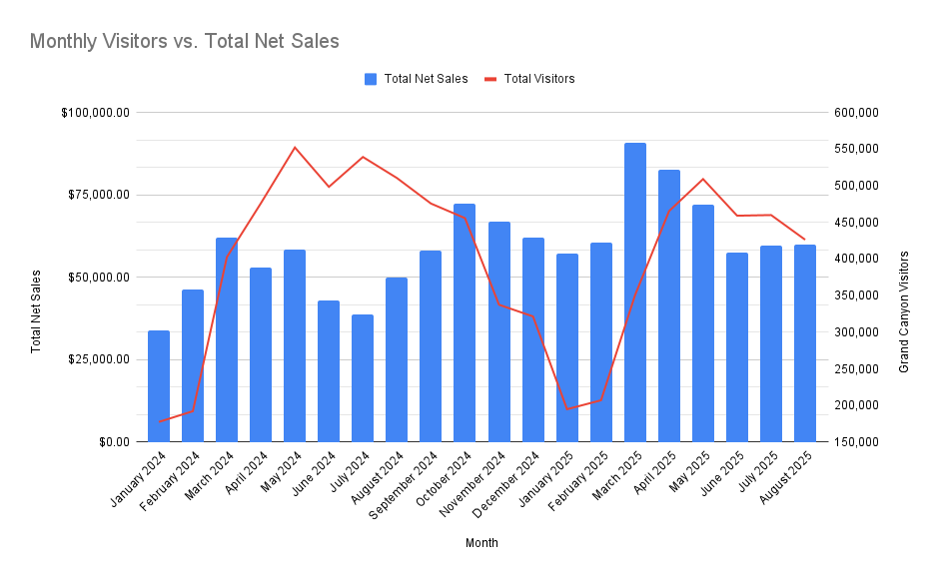
Grand Canyon NP |  | Verde | Verde
Month | Total Visitors | Month | Total Net Sales
2025-08-01 | 426,364 | 2025-08-01 | $59,945.61
2025-07-01 | 460,018 | 2025-07-01 | $59,708.36
2025-06-01 | 459,138 | 2025-06-01 | $57,498.92
2025-05-01 | 509,130 | 2025-05-01 | $72,114.71
2025-04-01 | 465,427 | 2025-04-01 | $82,645.48
2025-03-01 | 350,734 | 2025-03-01 | $90,759.36
2025-02-01 | 207,238 | 2025-02-01 | $60,450.56
2025-01-01 | 195,036 | 2025-01-01 | $57,269.00
2024-12-01 | 321,669 | 2024-12-01 | $61,962.09
2024-11-01 | 337,637 | 2024-11-01 | $66,922.81
2024-10-01 | 455,832 | 2024-10-01 | $72,270.20
2024-09-01 | 475,720 | 2024-09-01 | $58,070.43
2024-08-01 | 510,543 | 2024-08-01 | $50,010.55
2024-07-01 | 539,271 | 2024-07-01 | $38,846.61
2024-06-01 | 498,480 | 2024-06-01 | $43,087.67
2024-05-01 | 552,263 | 2024-05-01 | $58,492.88
2024-04-01 | 476,136 | 2024-04-01 | $52,956.34
2024-03-01 | 402,610 | 2024-03-01 | $61,948.82
2024-02-01 | 192,319 | 2024-02-01 | $46,178.22
2024-01-01 | 177,693 | 2024-01-01 | $33,900.14

Grand Canyon Monthly Visit Statistics

Montezuma Castle Visits Tracker
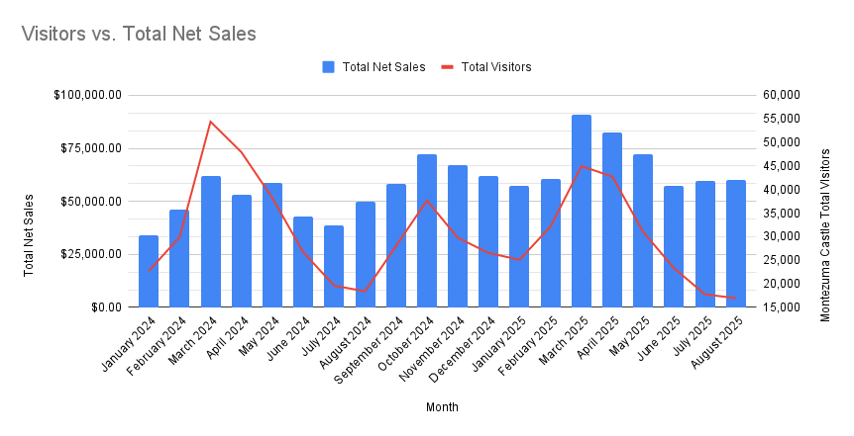
Month | Total Visitors | Month | Total Net Sales
2025-08-01 | 16,971 | 2025-08-01 | $59,945.61
2025-07-01 | 17,763 | 2025-07-01 | $59,708.36
2025-06-01 | 23,289 | 2025-06-01 | $57,498.92
2025-05-01 | 30,999 | 2025-05-01 | $72,114.71
2025-04-01 | 42,764 | 2025-04-01 | $82,645.48
2025-03-01 | 44,997 | 2025-03-01 | $90,759.36
2025-02-01 | 32,189 | 2025-02-01 | $60,450.56
2025-01-01 | 25,113 | 2025-01-01 | $57,269.00
2024-12-01 | 26,539 | 2024-12-01 | $61,962.09
2024-11-01 | 29,777 | 2024-11-01 | $66,922.81
2024-10-01 | 37,683 | 2024-10-01 | $72,270.20
2024-09-01 | 28,015 | 2024-09-01 | $58,070.43
2024-08-01 | 18,424 | 2024-08-01 | $50,010.55
2024-07-01 | 19,617 | 2024-07-01 | $38,846.61
2024-06-01 | 26,709 | 2024-06-01 | $43,087.67
2024-05-01 | 38,226 | 2024-05-01 | $58,492.88
2024-04-01 | 47,926 | 2024-04-01 | $52,956.34
2024-03-01 | 54,411 | 2024-03-01 | $61,948.82
2024-02-01 | 29,926 | 2024-02-01 | $46,178.22
2024-01-01 | 22,714 | 2024-01-01 | $33,900.14

Montezuma Castle Monthly Visit Statistics

Gas Prices
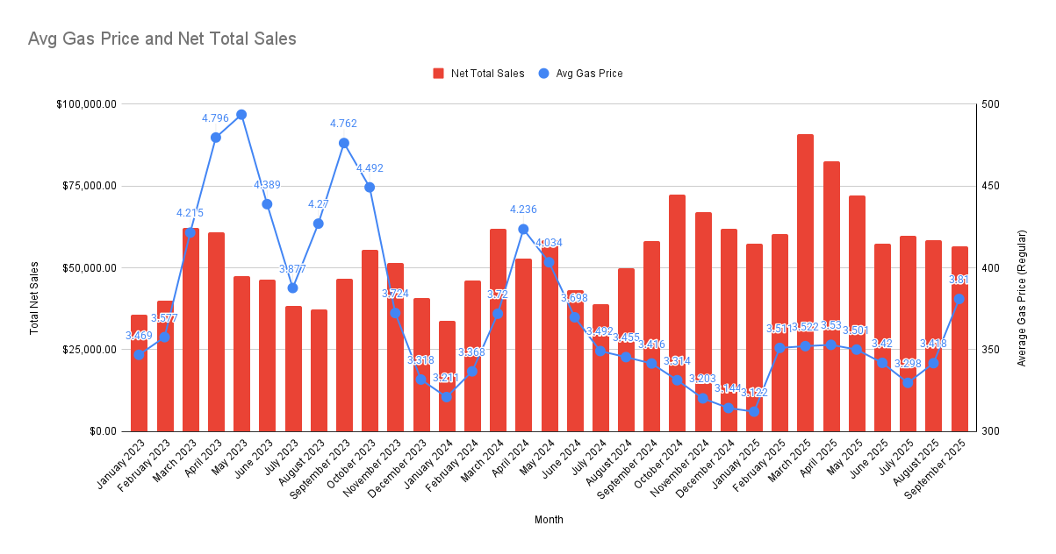
Month | Avg Gas Price | Net Total Sales
2023-01-01 | 3.469 | $35,616.27
2023-02-01 | 3.577 | $39,872.05
2023-03-01 | 4.215 | $62,238.99
2023-04-01 | 4.796 | $60,765.49
2023-05-01 | 4.936 | $47,491.77
2023-06-01 | 4.389 | $46,379.82
2023-07-01 | 3.877 | $38,287.07
2023-08-01 | 4.27 | $37,317.66
2023-09-01 | 4.762 | $46,764.38
2023-10-01 | 4.492 | $55,486.65
2023-11-01 | 3.724 | $51,436.32
2023-12-01 | 3.318 | $40,688.22
2024-01-01 | 3.211 | $33,900.14
2024-02-01 | 3.368 | $46,178.22
2024-03-01 | 3.72 | $61,948.82
2024-04-01 | 4.236 | $52,956.34
2024-05-01 | 4.034 | $58,492.88
2024-06-01 | 3.698 | $43,087.67
2024-07-01 | 3.492 | $38,846.61
2024-08-01 | 3.455 | $50,010.55
2024-09-01 | 3.416 | $58,070.43
2024-10-01 | 3.314 | $72,270.20
2024-11-01 | 3.203 | $66,922.81
2024-12-01 | 3.144 | $61,962.09
2025-01-01 | 3.122 | $57,269.00
2025-02-01 | 3.511 | $60,450.56
2025-03-01 | 3.522 | $90,759.36
2025-04-01 | 3.53 | $82,645.48
2025-05-01 | 3.501 | $72,114.71
2025-06-01 | 3.42 | $57,498.92
2025-07-01 | 3.298 | $59,708.36
2025-08-01 | 3.418 | $58,516.77
2025-09-01 | 3.81 | $56,655.82

Average Price: Gasoline, Unleaded Regular (Cost per Gallon/3.785 Liters) in Phoenix-Mesa-Scottsdale, AZ (CBSA) (APUS48A74714) | FRED

Drink Sales - Pints Only
October (exc Halloween) - Pints Only |  |  |  |  | September - Pints Only |  |  |  | August - Pints Only
 | Items Sold | Gross Sales | % of Beer GS |  |  | Items Sold | Gross Sales | % of Beer GS |  | Items Sold | Gross Sales | % of Beer GS
Bullpen Bourbon Stout | 139 | $1,112.00 | 7.21% |  | Amber Ale | 104 | $728.00 | 5.62% | Amber Ale | 123 | $861.00 | 6.60%
Dark Lager | 188 | $1,222.00 | 7.93% |  | Bullpen Bourbon Stout | 92 | $736.00 | 5.68% | Bullpen Bourbon Stout | 79 | $632.00 | 4.85%
Gold Buckle | 294 | $1,911.00 | 12.40% |  | Dark Lager | 81 | $526.50 | 4.06% | Dark Lager | 87 | $565.50 | 4.34%
IPL Mosaic | 220 | $1,760.00 | 11.42% |  | Gold Buckle | 594 | $3,861.00 | 29.79% | Gold Buckle | 549 | $3,568.50 | 27.37%
Light Lager | 250 | $1,500.00 | 9.73% |  | Hefeweizen | 35 | $227.50 | 1.76% | Hefeweizen | 117 | $760.50 | 5.83%
Marzen | 289 | $2,023.00 | 13.12% |  | IPL Mosaic | 112 | $896.00 | 6.91% | Light Lager | 70 | $420.00 | 3.22%
Nectaron Hazy IPA | 251 | $2,008.00 | 13.02% |  | Light Lager | 61 | $366.00 | 2.82% | Nectaron Hazy IPA | 151 | $1,208.00 | 9.27%
Redneck Rodeo | 91 | $728.00 | 4.72% |  | Marzen | 30 | $210.00 | 1.62% | Pale Ale | 88 | $616.00 | 4.72%
Scotch Ale | 3 | $21.00 | 0.14% |  | Nectaron Hazy IPA | 212 | $1,696.00 | 13.09% | Redneck Rodeo | 112 | $896.00 | 6.87%
Smokey Rye Lager | 121 | $847.00 | 5.49% |  | Pale Ale | 64 | $448.00 | 3.46% | Smokey Rye Lager | 55 | $385.00 | 2.95%
Stone Sour | 57 | $370.50 | 2.40% |  | Redneck Rodeo | 133 | $1,064.00 | 8.21% | Stone Sour | 103 | $669.50 | 5.13%
Watermelon | 117 | $819.00 | 5.31% |  | Smokey Rye Lager | 69 | $483.00 | 3.73% | Wildflower IPA | 307 | $2,456.00 | 18.84%
October Drink Performance
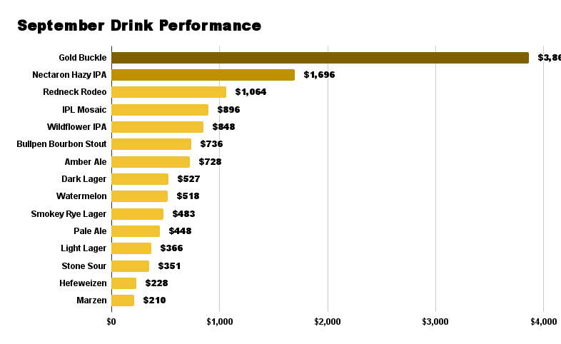
West Coast IPA | 137 | $1,096.00 | 7.11% |  | Stone Sour | 54 | $351.00 | 2.71% |  |  | $13,038.00
 |  | $15,417.50 |  |  | Watermelon | 74 | $518.00 | 4.00%
 |  |  |  |  | Wildflower IPA | 106 | $848.00 | 6.54%
 |  |  |  |  |  |  | $12,959.00

Beer Type | October |  |  | Beer Type | September |  | Beer Type | August
Marzen | $2,023 |  |  | Gold Buckle | $3,861 |  | Gold Buckle | $3,569
Nectaron Hazy IPA | $2,008 |  |  | Nectaron Hazy IPA | $1,696 |  | Wildflower IPA | $2,456
Gold Buckle | $1,911 |  |  | Redneck Rodeo | $1,064 |  | Nectaron Hazy IPA | $1,208
IPL Mosaic | $1,760 |  |  | IPL Mosaic | $896 |  | Redneck Rodeo | $896
Light Lager | $1,500 |  |  | Wildflower IPA | $848 |  | Amber Ale | $861
Dark Lager | $1,222 |  |  | Bullpen Bourbon Stout | $736 |  | Hefeweizen | $761
Bullpen Bourbon Stout | $1,112 |  |  | Amber Ale | $728 |  | Stone Sour | $670
West Coast IPA | $1,096 |  |  | Dark Lager | $527 |  | Bullpen Bourbon Stout | $632
Smokey Rye Lager | $847 |  |  | Watermelon | $518 |  | Pale Ale | $616
Watermelon | $819 |  |  | Smokey Rye Lager | $483 |  | Dark Lager | $566
Redneck Rodeo | $728 |  |  | Pale Ale | $448 |  | Light Lager | $420
Stone Sour | $371 |  |  | Light Lager | $366 |  | Smokey Rye Lager | $385
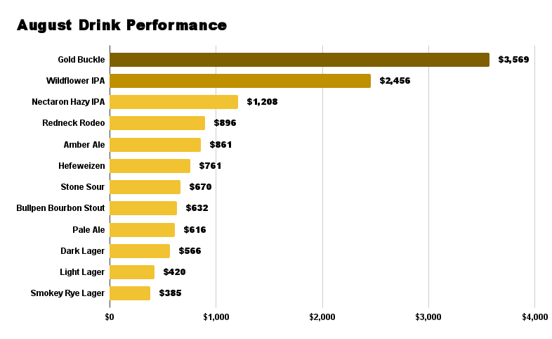
Scotch Ale | $21 |  |  | Stone Sour | $351
 | 15417.5 |  |  | Hefeweizen | $228
 |  |  |  | Marzen | $210
 |  |  |  |  | $12,959

Sandwich Sales
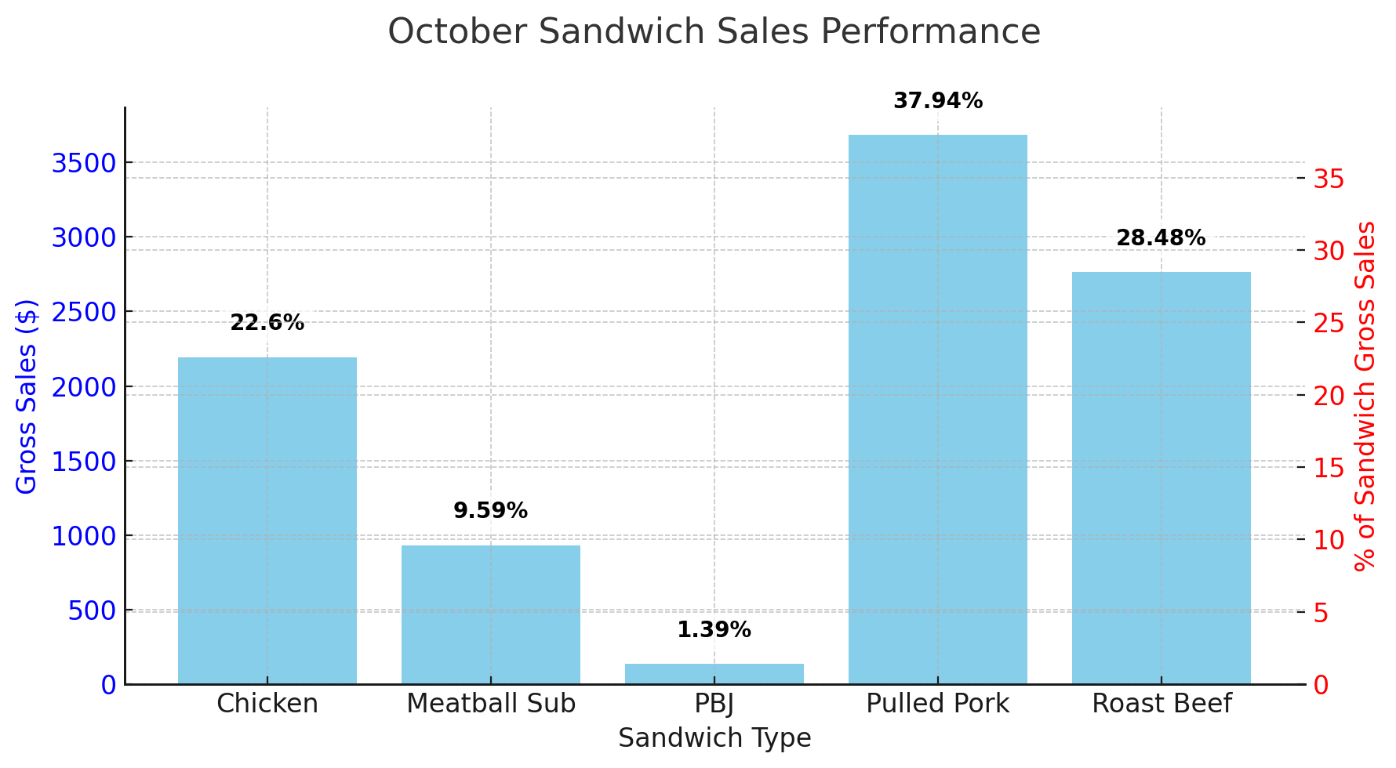
October (exc Halloween) |  |  |  | September |  |  |  | August
 | Items Sold | Gross Sales | % of Sandwich GS |  | Items Sold | Gross Sales | % of Sandwich GS |  | Items Sold | Gross Sales | % of Sandwich GS
Chicken Sandwich | 154 | $2,194.00 | 22.60% | Chicken Sandwich | 146 | $2,094.00 | 21.19% | Chicken Sandwich | 132 | $1,882.00 | 21.33%
Meatball Sub | 62 | $931.00 | 9.59% | Meatball Sub | 84 | $1,239.00 | 12.54% | Meatball Sub | 56 | $835.00 | 9.46%
PBJ | 19 | $135.00 | 1.39% | PBJ | 24 | $174.00 | 1.76% | PBJ | 19 | $133.00 | 1.51%
Pulled Pork Sandwich | 252 | $3,682.00 | 37.94% | Pulled Pork Sandwich | 244 | $3,582.00 | 36.24% | Pulled Pork Sandwich | 215 | $3,157.50 | 35.79%
Roast Beef Sandwich | 171 | $2,764.00 | 28.48% | Roast Beef Sandwich | 174 | $2,794.00 | 28.27% | Roast Beef Sandwich | 175 | $2,816.00 | 31.91%
 |  | $9,706.00 |  |  |  | $9,883.00 |  |  |  | $8,823.50

Hotdog Sales
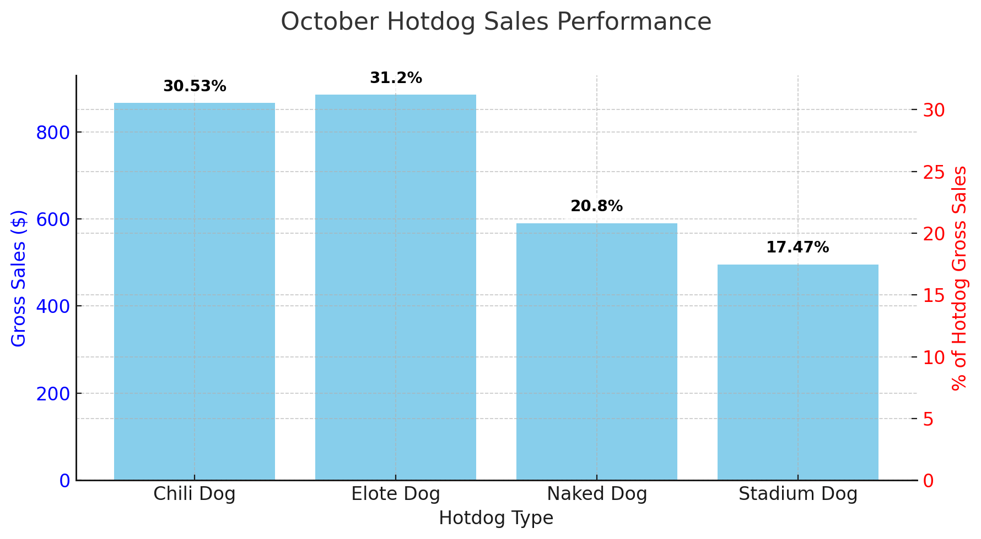
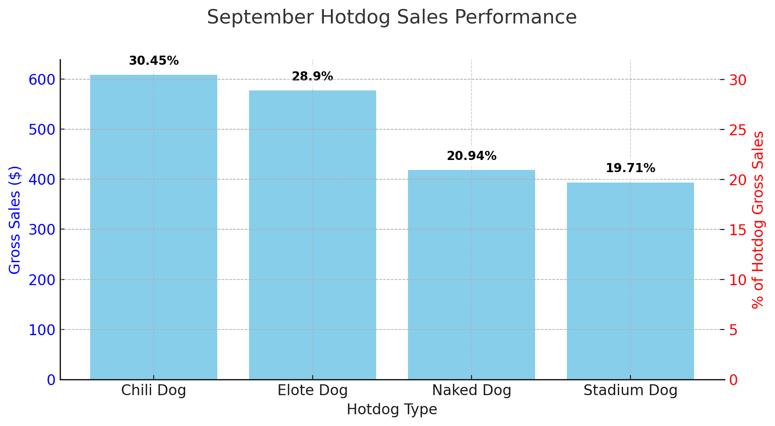
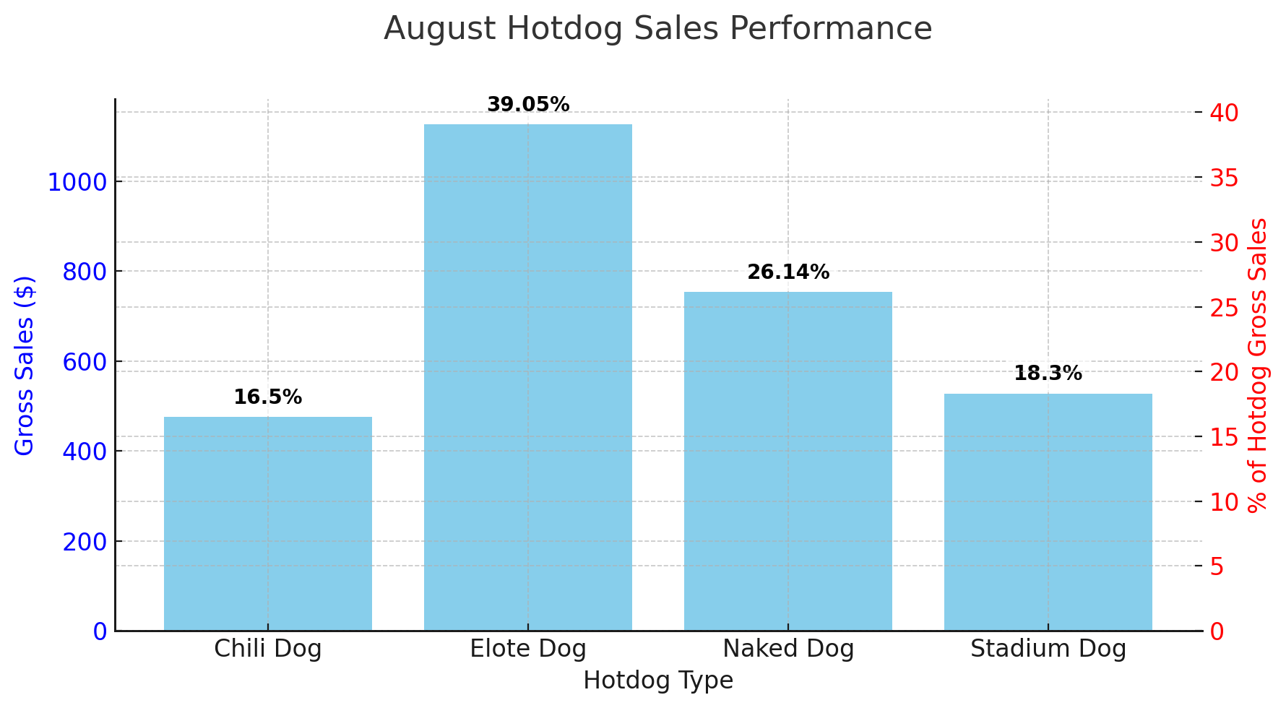
October (exc Halloween) |  |  |  | September |  |  |  | August
 | Items Sold | Gross Sales | % of Hotdog GS |  | Items Sold | Gross Sales | % of Hotdog GS |  | Items Sold | Gross Sales | % of Hotdog GS
Chili Dog | 78 | $866.00 | 30.53% | Chili Dog | 54 | $608.00 | 30.45% | Chili Dog | 42 | $476.00 | 16.50%
Elote Dog | 82 | $885.00 | 31.20% | Elote Dog | 54 | $577.00 | 28.90% | Elote Dog | 105 | $1,126.50 | 39.05%
Naked Dog | 73 | $590.00 | 20.80% | Naked Dog | 52 | $418.00 | 20.94% | Naked Dog | 93 | $754.00 | 26.14%
Stadium Dog | 47 | $495.50 | 17.47% | Stadium Dog | 40 | $393.50 | 19.71% | Stadium Dog | 50 | $528.00 | 18.30%
 |  | $2,836.50 |  |  |  | $1,996.50 |  |  |  | $2,884.50

Nacho Sales
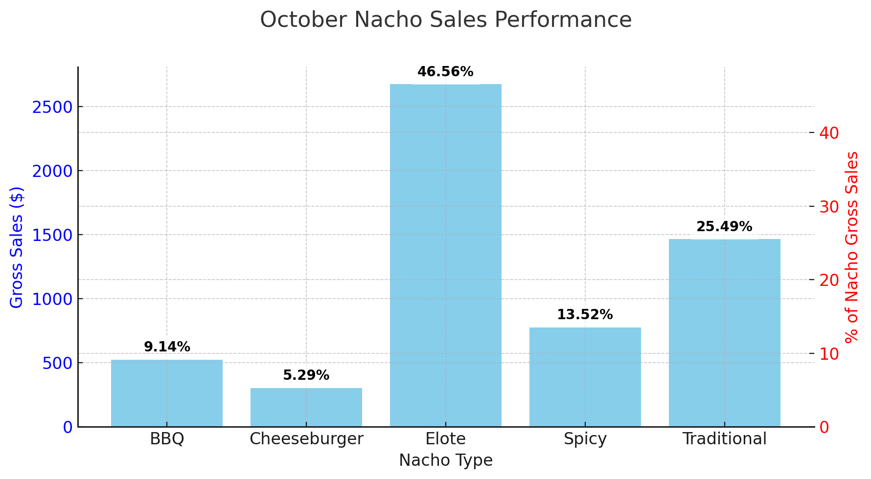
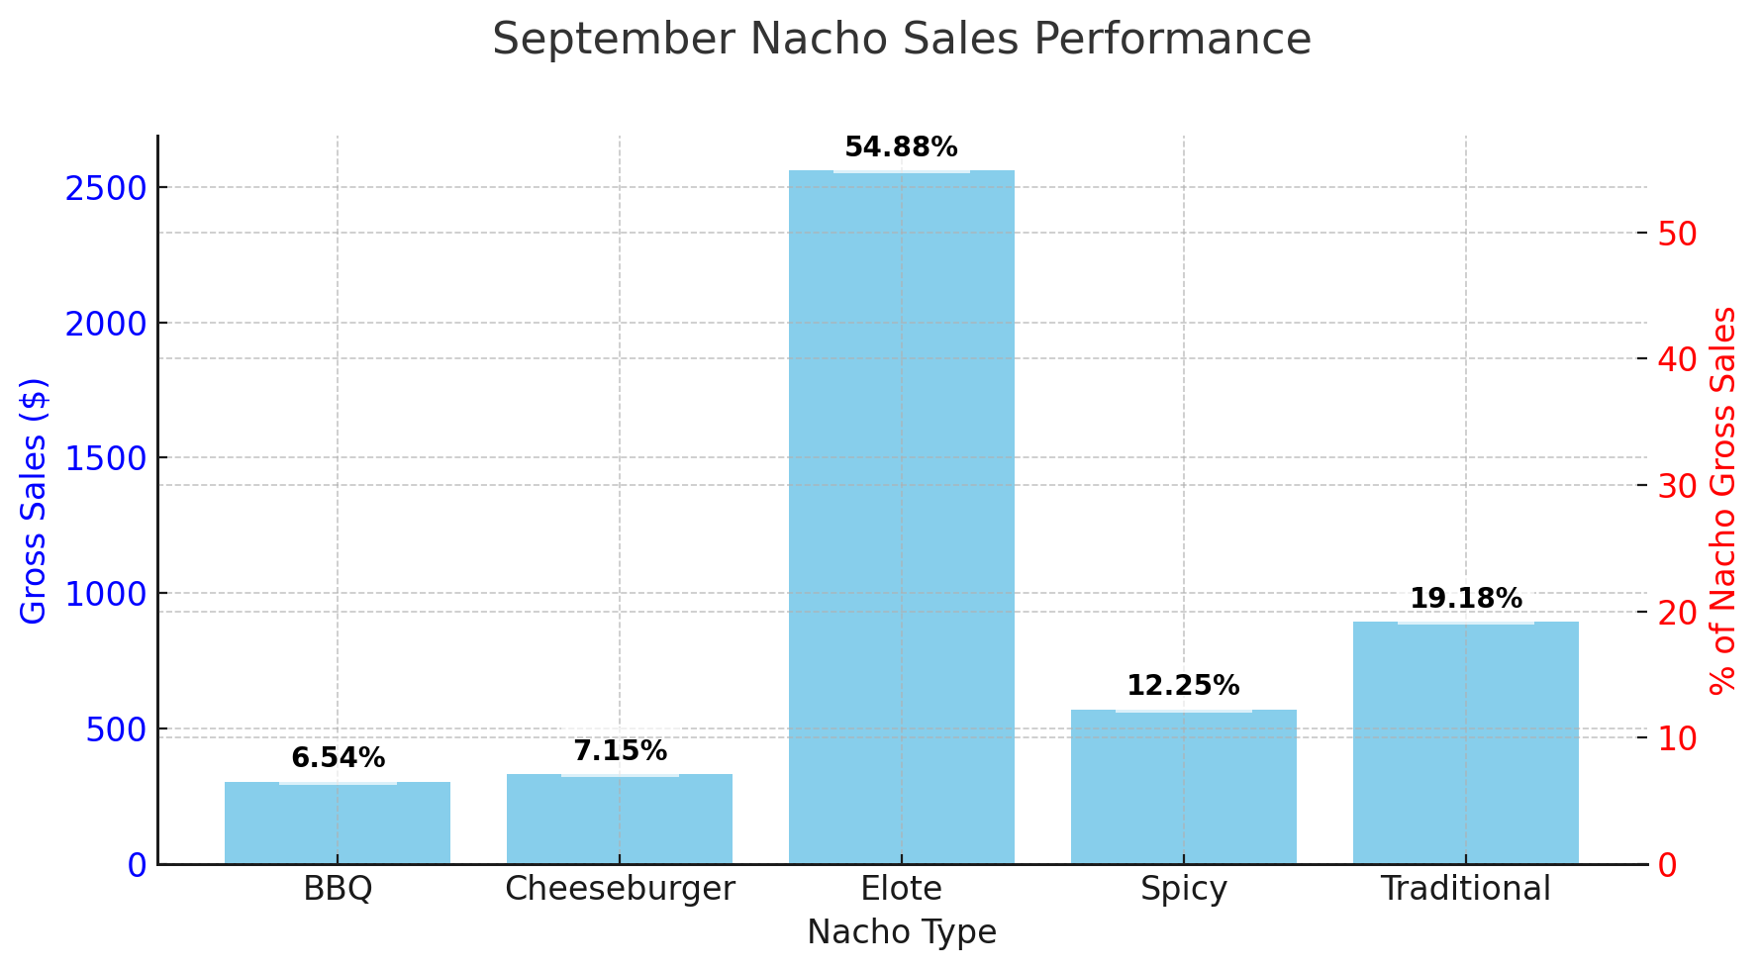
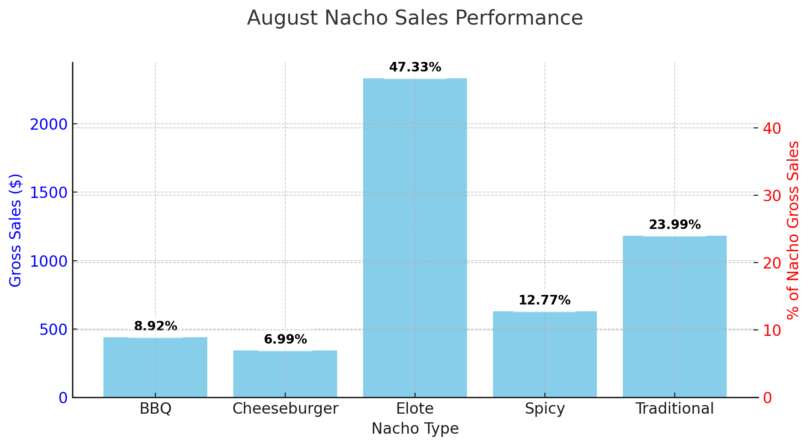
 | October (exc Halloween) |  |  | September |  |  |  | August
 | Items Sold | Gross Sales | % of Nacho GS |  | Items Sold | Gross Sales | % of Nacho GS |  | Items Sold | Gross Sales | % of Nacho GS
BBQ | 37 | $524.50 | 9.14% | BBQ | 22 | $305.00 | 6.54% | BBQ | 32 | $439.50 | 8.92%
Cheeseburger | 29 | $303.50 | 5.29% | Cheeseburger | 30 | $333.50 | 7.15% | Cheeseburger | 34 | $344.50 | 6.99%
Elote | 199 | $2,673.00 | 46.56% | Elote | 178 | $2,559.50 | 54.88% | Elote | 169 | $2,331.00 | 47.33%
Spicy | 68 | $776.00 | 13.52% | Spicy | 49 | $571.50 | 12.25% | Spicy | 55 | $629.00 | 12.77%
Traditional | 121 | $1,463.50 | 25.49% | Traditional | 72 | $894.50 | 19.18% | Traditional | 91 | $1,181.50 | 23.99%
 |  | $5,740.50 |  |  |  | $4,664.00 |  |  |  | $4,925.50

Appetizer Sales
Top 5 Appetizers (Aug)
 | August
 | Units Sold
Pretzle | 111
Elote Bowl | 55
Chili Bowl | 33
Brownie | 23
Guac | 3

Top 5 Appetizers (Sep)
 | September
 | Units Sold
Pretzle | 99
Elote Bowl | 66
Chili Bowl | 42
Brownie | 25
Ice Cream | 1

Top 5 Appetizers (Oct)
 | October
 | Units Sold
Pretzle | 156
Elote Bowl | 86
Chili Bowl | 45
Brownie | 39

Customer Vis
